stock offer
Photo or Sample | Your product's code | Description in English( size, colour, model breakdown by case) | Description in English | Colors | Unit of measurement | Brands / licenses | Best Before date | Not taxed | Quantity | Prices | Retail Price GBP | No of pieces/Box | No of Pallets (UK pallets, 1m x 1.2m | EAN Code | CF.HS Code Export
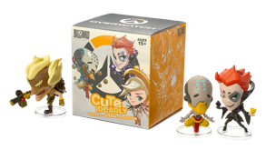 | B63059A | Cute But Deadly Series 5 | The fifth series of Cute But Deadly has landed! Get your hands on some of Overwatch's biggest heroes in pint-sized form. Made of clear ABS/PVC, each figure comes with a stand. 1 figure supplied. Note: Each box contains one individually packaged, randomly selected character. We cannot accept requests for specific items, nor can we accept returns on opened items. Purchasing multiple figures will not guarantee a full set. You may receive duplicates. |  |  | Overwatch |  | zero duty | 18186 | £1.55 | £9.99 | 379 | 13.54 | 5030917243622 | 95030049
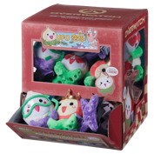 | B62906 | Micro Pachimari Plush Series 1 | Official Blizzard Overwatch Micro Pachimari Plush Set of 6 with sound . Set comes with all 6 plushies shown above: Original Pachimari , Pachiking , Pachilantern , Pachilover , Vampachimari & Snorkalmari. Each Plushie makes a Squeeeeky sound when squeezed, Just like in the game! for ages 5 plus. Made of soft boa. Measures approximately 2.5" x 2.5" x 3.5" each. Official product from Blizzard Entertainment. Each plushie comes with an Official hang tags and made of ultra soft plushie material. A must have for all Overwatch gammers and fans! Feeling blue? Let this adorable Pachimari Mini Plush brighten your day! Just don't let Roadhog notice. |  |  | Overwatch |  | zero duty | 8998 | £1.55 | £7.99 | 94 | 3.92 | 5030917243592 | 95030049
 | B62928A | Cute But Deadly Series 4 | Cute But Deadly Series 4 is here! Featuring some of your favourite characters from some of Blizzard's biggest games, including: Overwatch, World of Warcraft, Starcraft & Diablo. Be warned though, the cuteness may be too much for some… Made of clear ABS/PVC, each figure comes with a stand 1 figure supplied Note: Each box contains one individually packaged, randomly selected character. We cannot accept requests for specific items, nor can we accept returns on opened items. Purchasing multiple figures will not guarantee a full set. You may receive duplicates. |  |  | Overwatch |  | zero duty | 7866 | £1.55 | £9.99 | 164 | 5.86 | 5030917236839 | 95030049
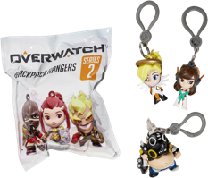 | B62936A | Overwatch Back Pack Hangers Series 2 | The Overwatch heroes don't usually hang about, but when they do? They do it in style! Wear your favourite hero on your back pack with the Overwatch Backpack Hangers Series 2. Backpack hangers are made of injection molded PVC and each measure roughly 3x2.5" each. 1 figured supplied. Note: Each bag contains one individually packaged, randomly selected character. We cannot accept requests for specific items, nor can we accept returns on opened items. Purchasing multiple hangers will not guarantee a full set. You may receive duplicates. |  |  | Overwatch |  | zero duty | 14304 | £1.55 | £4.99 | 150 | 6.25 | 5030917237058 | 95030049
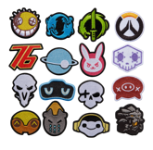 0.5 | B63527A | Overwatch Iron on Patches - Series 1 | Decorate your clothes or bags with these Overwatch Iron-on patches! Packaged two to a bag, each blind bag contains a random set of patches so collecting is always a fun surprise! |  |  | Overwatch |  | zero duty | 1509 | £0.95 | £4.99 | 16 | 0.67 | 5030917264559
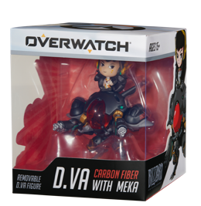 | B63524 | Cute But Deadly Figure - D.Va w/ Carbon Fibre Meka | D.Va plays to win--BIG! If you think you can keep up, then this Cute But Deadly figure featuring D.Va and her mech is the perfect desk accessory for you. D.Va can be posed on top of her Meka suit or can be posed separately. Made of clear ABS/PVC 1 figure supplied Comes packaged in a window display box |  |  | Overwatch |  | zero duty | 4029 | £3.95 | £24.99 | 336.00 | 10.50 | 5030917264528
 |  |  |  |  |  |  |  |  | 54892

